Home
Claude Fable 5 for Finance - The Ultimate Guide
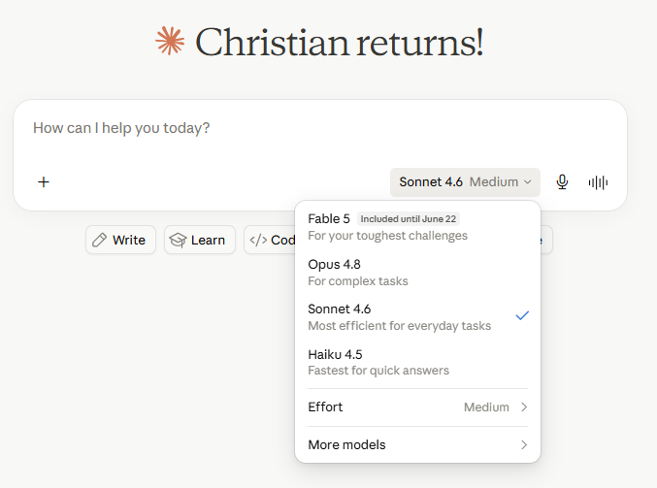
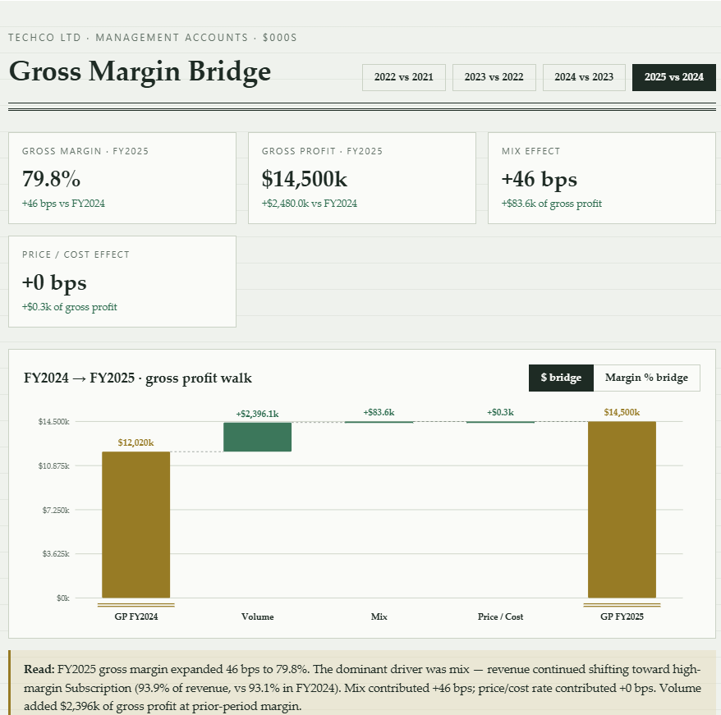
 | Some of the things you can do:
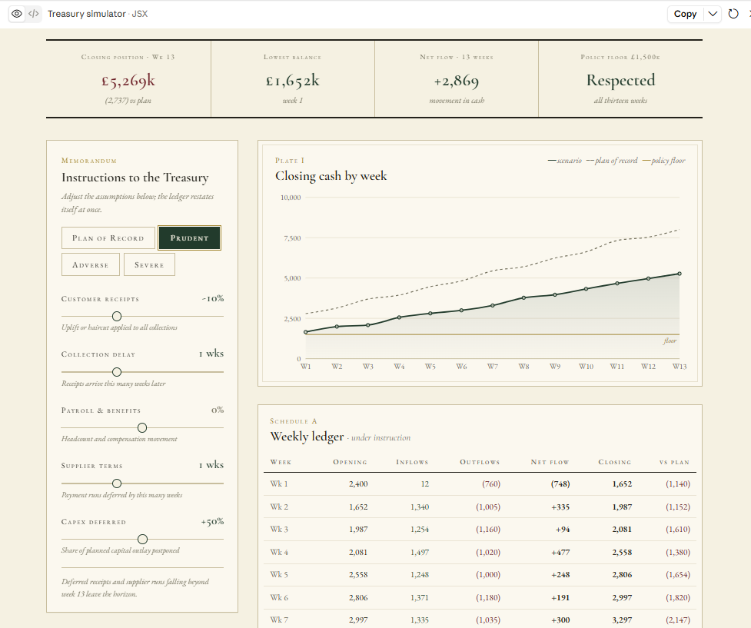

 | Download this guide and learn how to use Fable 5 for Finance and FP&A

Intro
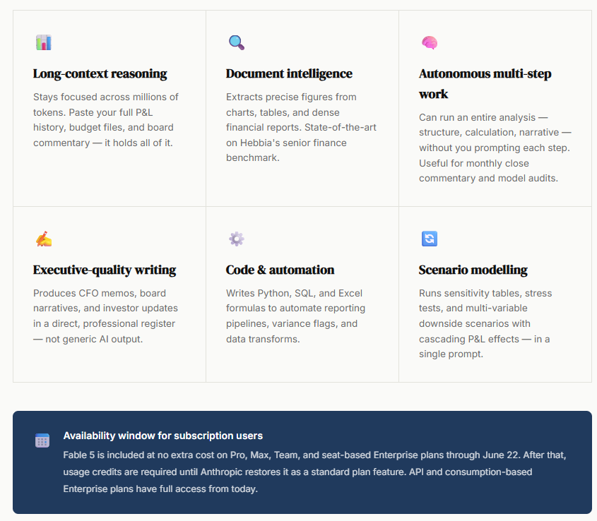
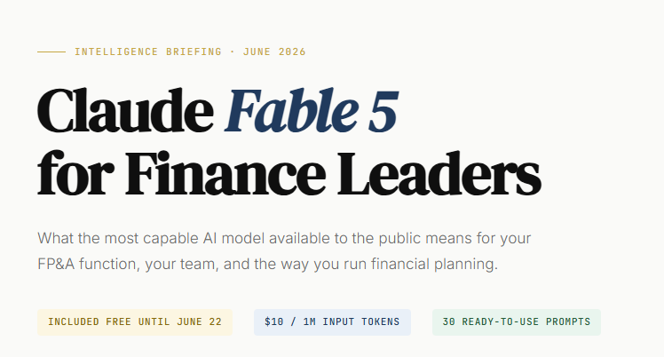
https://claude.ai/public/artifacts/c0dcd6f5-4319-4c11-a48a-357e3b44c1ff

Other Models
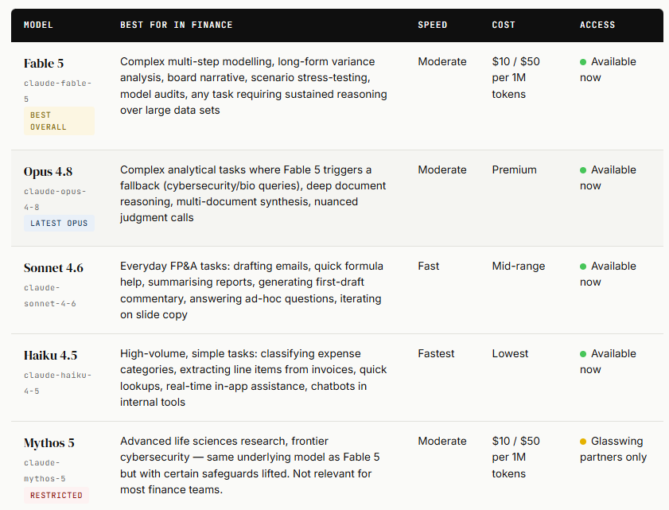

Tests
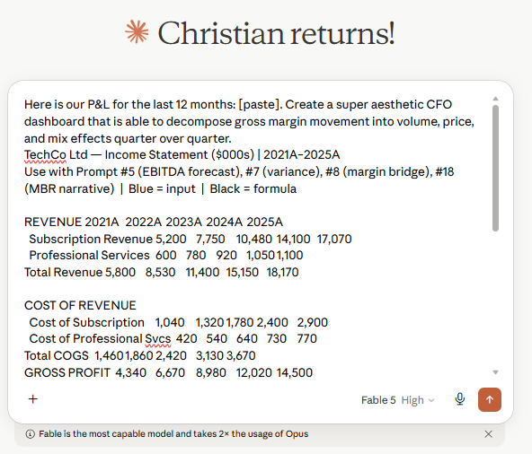
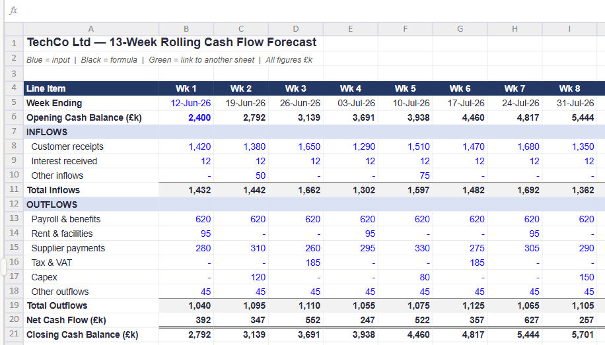
Prompt | Results
Create a rolling 13-week cash flow forecast template with variance tracking against prior week actuals.

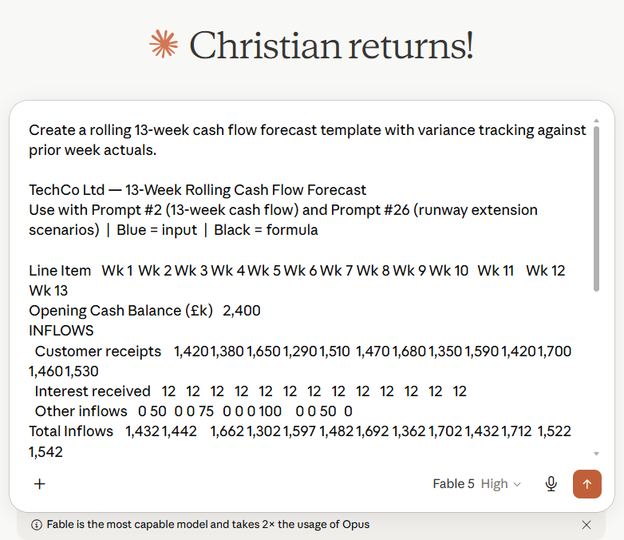

Here is our P&L for the last 12 months: [paste]. Create a super aesthetic CFO dashboard that is able to decompose gross margin movement into volume, price, and mix effects quarter over quarter.

